Composite
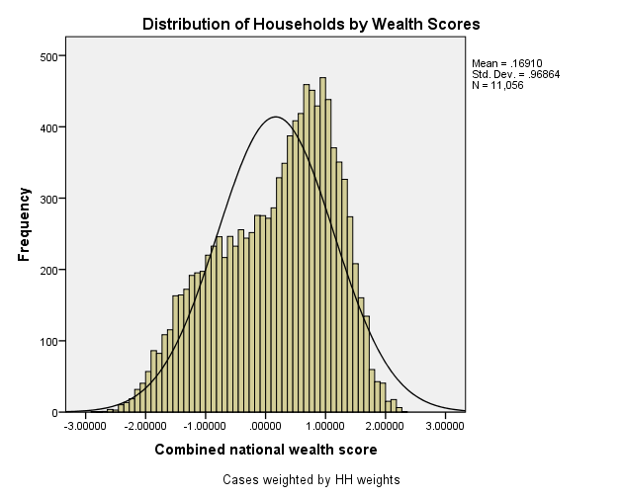
Combined Scores

 | Urban Area

 |  | Coefficientsa
 |  | Model |  | Unstandardized Coefficients |  | Standardized Coefficients | t | Sig.
 |  |  |  | B | Std. Error | Beta
 |  | 1 | (Constant) | 0.408 | 0.001 |  | 334.810 | 0.000
 |  |  | urbscore Urban wealth score | 0.815 | 0.001 | 0.992 | 668.955 | 0.000
 |  | a. Dependent Variable: comscore Common wealth score

 |  |  | Combined Score= .408 + .001 * Urban Score

 | Rural

 |  | Coefficientsa
 |  | Model |  | Unstandardized Coefficients |  | Standardized Coefficients | t | Sig.
 |  |  |  | B | Std. Error | Beta
 |  | 1 | (Constant) | -0.874 | 0.003 |  | -287.096 | 0.000
 |  |  | rurscore Rural wealth score | 0.735 | 0.003 | 0.971 | 241.332 | 0.000
 |  | a. Dependent Variable: comscore Common wealth score

 |  |  | Combined Score= -.874 + .003 * Rural Score

 | Combined Score

 |  | Statistics
 |  | combscor Combined national wealth score
 |  | N | Valid | 7952
 |  |  | Missing | 0
 |  | Mean |  | 0.2175058
 |  | Std. Error of Mean |  | 0.01195111
 |  | Median |  | 0.0855546
 |  | Mode |  | 1.03818a
 |  | Std. Deviation |  | 1.06572807
 |  | Skewness |  | 0.356
 |  | Std. Error of Skewness |  | 0.027
 |  | Kurtosis |  | -0.204
 |  | Std. Error of Kurtosis |  | 0.055
 |  | Minimum |  | -2.68395
 |  | Maximum |  | 3.06403
 |  | Percentiles | 20 | -0.6958743
 |  |  | 40 | -0.1899852
 |  |  | 60 | 0.4160182
 |  |  | 80 | 1.1064706
 |  | a. Multiple modes exist. The smallest value is shown

 | histrogram

